Print Page 1
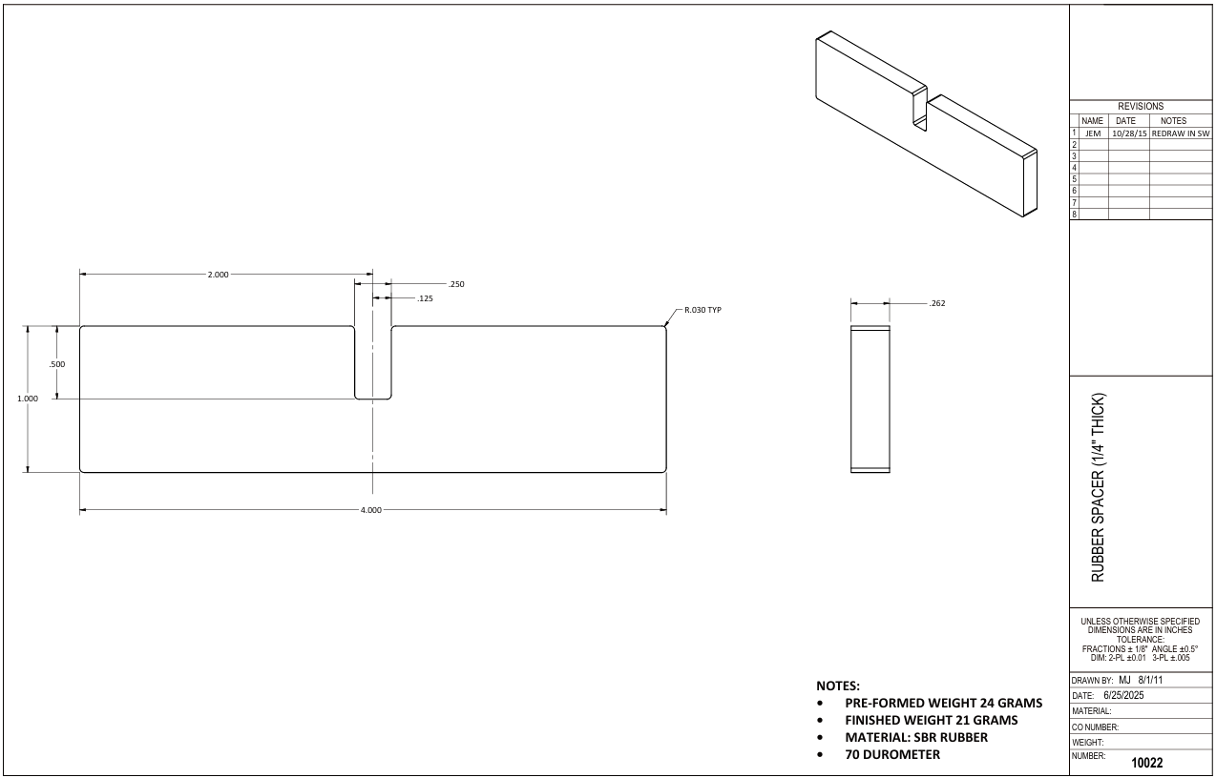

5
7

6
2
1
8

4

3

9

Tolerance Table
